Setup Instructions
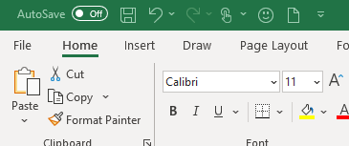

To allow more complex macros, enabling the access to "VBA project object model" is a must
This just allows the macros to connect to VBA project libraries which has additional functions
Go to File, at the top left of the workbook

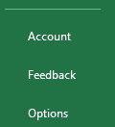

Go to Options, at the bottom left

Go to Trust Center at the bottom of the left menu

Under Microsoft Excel Trust Center, go to Trust Center Settings…

Go to Macro Settings at the middle of the left menu

Under Developer Macro Settings, you'll see the "Trust access to the VBA project object model" option

Make sure that the box is CHECKED to enable it.

